Native PA
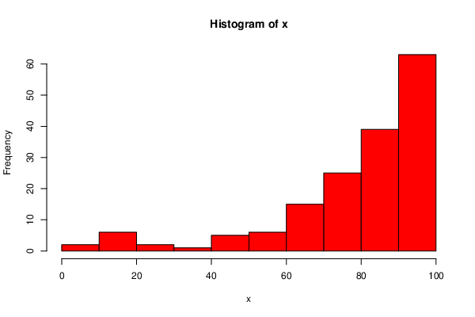
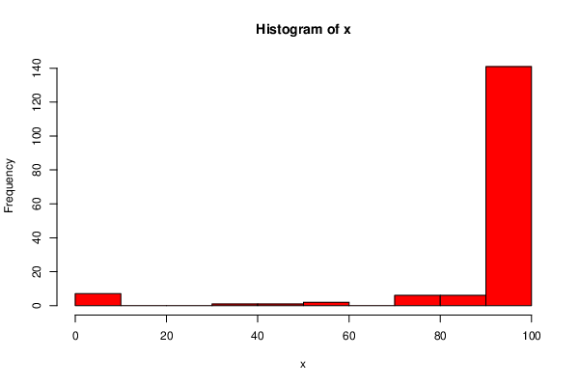
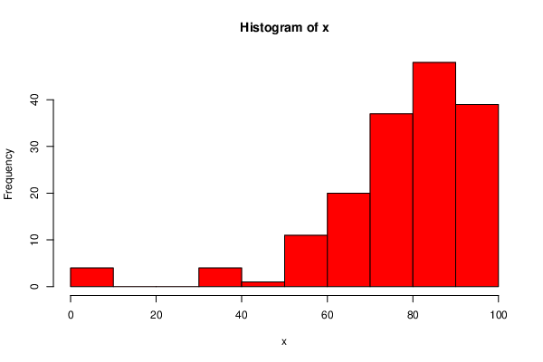
 | DeID | Transfer Status | HW1 | HW2 | HW3 | HW4 | HW5 | HW6 | HW7 | HW8 | HW9 | HW1 |  | HW2 |  | HW3
0 | 05TMV7T8 | FALSE | 100 | 91.3666667 | 100 | 100 | 94.6666667 | 100 | 100 | 100 | 83.125
3 | 0NTV796A | FALSE | 100 | 74.7 | 95.1 | 95 | 90.36 | 98.33 | 96.24 | 100 | 93.28
5 | 0W62IGWW | FALSE | 100 | 96.0666667 | 100 | 67.5 | 84.0533333 | 93.33 | 100 | 86.8066667 | 89.345
6 | 0XE9LD9K | FALSE | 96 | 0 | 0 | 36.25 | 47.44 | 58.32 | 41.888 | 72.4066667 | 99.245
8 | 1H6IN61T | FALSE | 100 | 92.1666667 | 82.2666667 | 72.5 | 59.2 | 88.77 | 98.4 | 95.4066667 | 99.245
9 | 1JMPU89A | FALSE | 100 | 72.3666667 | 68.1666667 | 38.75 | 55.56 | 78.63 | 34.56 | 82.1933333 | 43.53
10 | 25JF6B0Z | FALSE | 100 | 87.8333333 | 79.8333333 | 87.5 | 96.0533333 | 100 | 94.504 | 98.4266667 | 91.91
11 | 2CDZON7O | FALSE | 96 | 85.5 | 96.6666667 | 97.5 | 89.3333333 | 82.87 | 66.872 | 77 | 97.19
12 | 2HUBSS5B | FALSE | 100 | 96.6666667 | 96.6666667 | 100 | 99.3333333 | 97.5 | 100 | 82.1933333 | 99.245
13 | 2KZCGJR4 | FALSE | 100 | 83.1333333 | 54.5666667 | 98.75 | 26.6133333 | 34.28 | 93.448 | 88.0266667 | 61.135
14 | 2RY0Q89X | FALSE | 100 | 100 | 96.3 | 100 | 89.7733333 | 94.72 | 96.8 | 100 | 93.2
16 | 348SI940 | FALSE | 100 | 93.1333333 | 88.9333333 | 93.75 | 82.7733333 | 73.17 | 96.24 | 100 | 100
17 | 37J2SSVO | FALSE | 100 | 65.8666667 | 50 | 37.5 | 13.28 | 69.13 | 71.544 | 14.24 | 71.965
19 | 3CGOB2B6 | FALSE | 100 | 89.4 | 83.5 | 98.75 | 94.6666667 | 85.49 | 92.496 | 97.3333333 | 89.565
23 | 41UJMB2I | FALSE | 100 | 82.4666667 | 83.8666667 | 82.5 | 85.3866667 | 84.6 | 94.368 | 87.6666667 | 90.435
24 | 45FB3QKP | FALSE | 100 | 89.2 | 90.8666667 | 68.75 | 74.7733333 | 87.02 | 89.944 | 84.2866667 | 69.685
25 | 4CPL38QS | FALSE | 100 | 75.8666667 | 72.2666667 | 76.25 | 30.28 | 69.7 | 91.2 | 91.0933333 | 95.675
26 | 4O8K90O1 | FALSE | 100 | 86.0666667 | 90.1666667 | 97.5 | 90.1066667 | 91.13 | 91.168 | 95.5266667 | 97.735
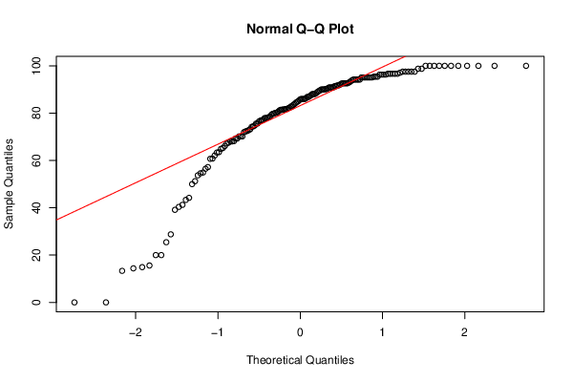
28 | 52CA6S32 | FALSE | 100 | 80.2 | 90 | 97.5 | 89.3333333 | 93.52 | 89.288 | 89.2866667 | 99.5
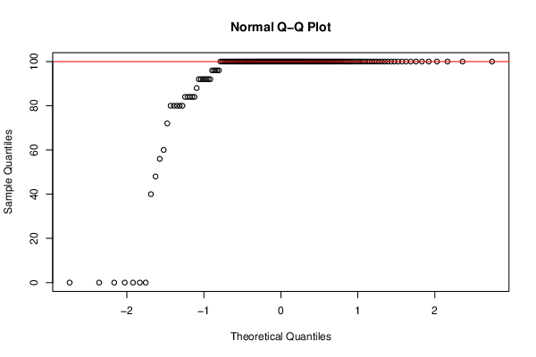
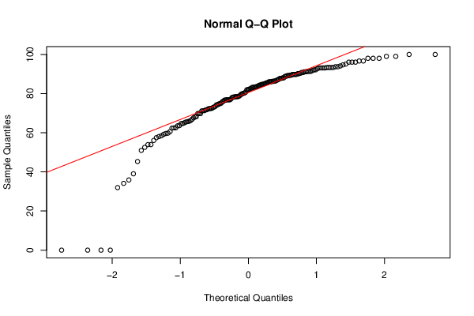
29 | 54ARLTY1 | FALSE | 100 | 88.0333333 | 100 | 100 | 100 | 100 | 99.2 | 95.38 | 90.22
30 | 54W77V16 | FALSE | 100 | 89.8 | 92.6333333 | 78.75 | 89.3866667 | 95.77 | 99.2 | 90.5733333 | 94.92
31 | 55QIRZHX | FALSE | 100 | 58.4333333 | 100 | 100 | 35.72 | 97.44 | 96.24 | 81.38 | 91.22
33 | 5DYXUX9U | FALSE | 100 | 93.7333333 | 78.0666667 | 92.5 | 100 | 93.56 | 99.064 | 98 | 100
35 | 5IAUHG1Q | FALSE | 100 | 71.6666667 | 60.8 | 58.75 | 62.6133333 | 94.61 | 98.12 | 96.86 | 97.19
36 | 5NKAH4JP | FALSE | 100 | 93.3333333 | 100 | 100 | 100 | 92.75 | 95.2 | 100 | 100
37 | 670GYX4X | FALSE | 100 | 68.0333333 | 81.5666667 | 92.5 | 100 | 96.72 | 91.688 | 100 | 98.49
38 | 68JXC9HT | FALSE | 100 | 78.4333333 | 81.4 | 85 | 52.7733333 | 76.98 | 93.984 | 97.3333333 | 89.105
39 | 6AK1X60N | FALSE | 100 | 72.4666667 | 74.2 | 71.25 | 89.3866667 | 83.61 | 86.872 | 53.7866667 | 99.5
40 | 6HMFTTJE | FALSE | 0 | 0 | 93.8666667 | 81.25 | 77.36 | 69.74 | 36.904 | 71.9733333 | 57.96
42 | 6QW7KUDB | FALSE | 100 | 87.8333333 | 97.5333333 | 100 | 42.8666667 | 95.39 | 63.432 | 98.4266667 | 69.3
43 | 6U9SMNMO | FALSE | 100 | 72.3666667 | 76.5 | 42.5 | 26.6666667 | 54.31 | 90.608 | 67.74 | 64.285
44 | 6UUUQJRQ | FALSE | 100 | 76.6666667 | 92.6333333 | 41.25 | 49.6133333 | 89.22 | 93.984 | 95.4066667 | 94.165
46 | 6YDBYADV | FALSE | 92 | 72.1666667 | 67.5333333 | 100 | 68.5333333 | 94.3 | 94.512 | 97.2133333 | 95.32
47 | 6ZA206YY | FALSE | 100 | 82.5333333 | 72.4666667 | 27.5 | 11.6666667 | 48.89 | 32.64 | 68.5 | 12.75
48 | 75QMB4RJ | FALSE | 100 | 74.3 | 80.5333333 | 80 | 80.2266667 | 85.44 | 98.4 | 85.3333333 | 95.675
49 | 7CLVI3K6 | FALSE | 100 | 90.4 | 85.9666667 | 100 | 80.0533333 | 98.7 | 90.624 | 75.38 | 95.715
50 | 7HGBZ6A3 | FALSE | 100 | 79.4 | 95.1 | 87.5 | 94 | 100 | 97.184 | 100 | 100
51 | 7PQZN82D | FALSE | 100 | 90.2 | 91.4 | 85 | 25.7733333 | 70.56 | 98.12 | 76.38 | 94.71
53 | 7YDCD5T3 | FALSE | 100 | 93.3333333 | 87.2 | 80 | 27.28 | 91.86 | 62.504 | 89.5933333 | 43.53
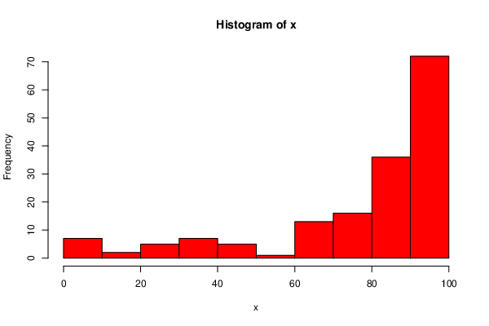
54 | 85AS1XMS | FALSE | 100 | 67.6333333 | 90.8666667 | 92.5 | 95.0533333 | 83.68 | 97.6 | 88.5733333 | 99.245
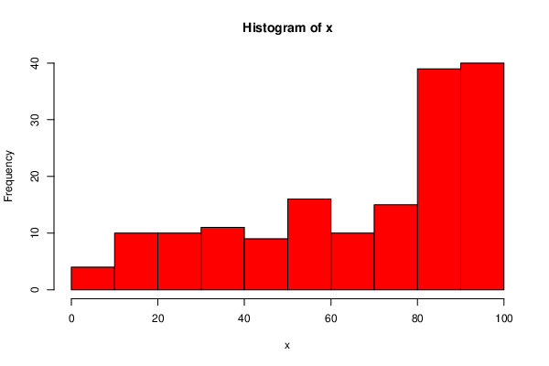
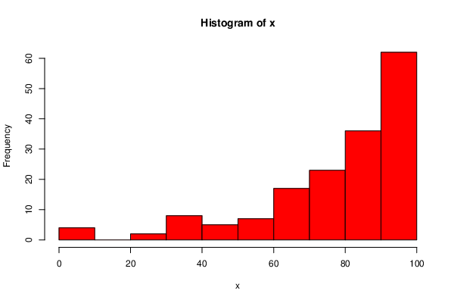
55 | 88VVF2K1 | FALSE | 100 | 45.3 | 89.6333333 | 98.75 | 39.6133333 | 45.01 | 83.976 | 89.3333333 | 59.845 | HW4 |  |  |  |  | HW6
57 | 8UY4HT9Q | FALSE | 0 | 63.6333333 | 67.2 | 92.5 | 69.4133333 | 82.29 | 51.56 | 81.2133333 | 82.795 |  |  |  | HW5
58 | 8WP8W3M8 | FALSE | 100 | 90.2 | 20 | 0 | 25.6666667 | 36.15 | 61.24 | 73.7866667 | 71.08
59 | 8YKAGVE1 | FALSE | 100 | 84.3 | 43.3333333 | 65 | 66.7466667 | 82.96 | 97.6 | 84.1933333 | 95.87
60 | 9GTWOHV1 | FALSE | 100 | 89.8 | 95.1 | 85 | 84.0533333 | 96.67 | 99.064 | 100 | 96.975
62 | 9N44GGPT | FALSE | 100 | 82.1666667 | 86.8333333 | 62.5 | 92 | 95.4 | 100 | 96.86 | 99.245
63 | 9PQ94E1Q | FALSE | 80 | 69.8 | 28.7666667 | 86.25 | 29.9466667 | 65.5 | 80.36 | 37.24 | 39.04
65 | 9R3C8UZW | FALSE | 100 | 76.8666667 | 87.5333333 | 83.75 | 97.3333333 | 83.11 | 99.2 | 90.5733333 | 95.675
66 | 9UB9QO39 | FALSE | 100 | 98.0333333 | 85.6 | 97.5 | 90.6666667 | 95.13 | 97.6 | 94.6666667 | 99.62
67 | 9XNX51V2 | FALSE | 100 | 83.1333333 | 92.6333333 | 86.25 | 82.0533333 | 97.05 | 84.232 | 91.3333333 | 94.62
68 | A0G846WL | FALSE | 100 | 91.3666667 | 88.0666667 | 98.75 | 78.1066667 | 92.28 | 92.52 | 79.86 | 94.365
69 | A3B7VRPZ | FALSE | 100 | 99.0333333 | 90.1666667 | 80 | 90.6666667 | 97.44 | 98.12 | 100 | 100
70 | AH0YE617 | FALSE | 48 | 59.2 | 81.7666667 | 68.75 | 0 | 76.94 | 94.368 | 56.7866667 | 0
71 | AHSCAH9Y | FALSE | 84 | 63.5333333 | 69.3 | 77.5 | 84.0533333 | 72.35 | 87.44 | 85.2866667 | 87.36
72 | AIZF8GN3 | FALSE | 100 | 89.8 | 91.4 | 95 | 78.72 | 87.1 | 100 | 90.5733333 | 93.2
73 | AR5Q9FN4 | FALSE | 100 | 86.2666667 | 82.8 | 96.25 | 52.6133333 | 98.72 | 99.064 | 95.2866667 | 100
74 | AWQP8HB0 | FALSE | 84 | 53.9333333 | 14.9 | 0 | 16 | 25 | 8.416 | 14 | 0
76 | B2SIV2AB | FALSE | 100 | 71.2666667 | 62.1 | 85 | 98.6666667 | 63.69 | 97.464 | 100 | 95.675
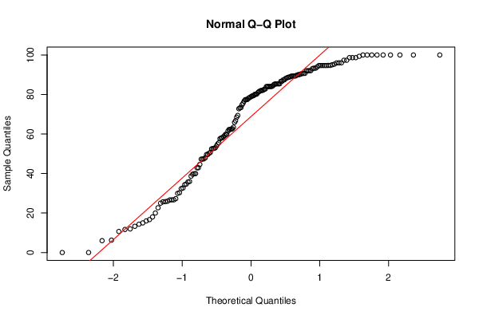
77 | B43PYI7H | FALSE | 100 | 75.1 | 85.1 | 100 | 100 | 98.08 | 100 | 100 | 83.165
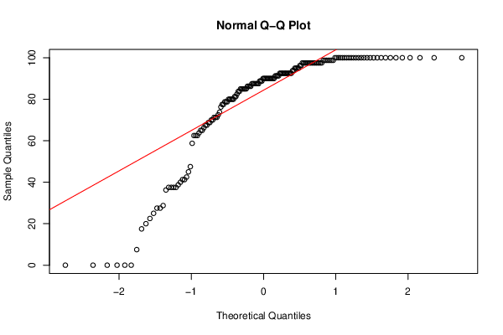
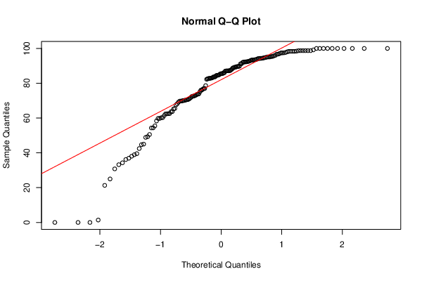
78 | B68BX3NZ | FALSE | 100 | 88.8333333 | 81.7666667 | 87.5 | 79.08 | 82.74 | 81.272 | 85.86 | 93.62
79 | BZNBCIF4 | FALSE | 100 | 62.3666667 | 80.1666667 | 80 | 14.3333333 | 73.57 | 87.544 | 90.12 | 81.205
81 | CIOQ52M4 | FALSE | 100 | 35.8666667 | 74.7333333 | 17.5 | 47.28 | 55.51 | 87.696 | 21.74 | 62.05
83 | CLHYZQXI | FALSE | 100 | 93.3333333 | 96.3 | 100 | 86.72 | 98.72 | 99.2 | 100 | 97.735
84 | CO68WRAY | FALSE | 96 | 78.8333333 | 90.5333333 | 100 | 92 | 89.22 | 100 | 83.1933333 | 91.365
85 | CULH828F | FALSE | 100 | 78.4333333 | 79.7333333 | 92.5 | 34.3333333 | 76 | 81.168 | 93.76 | 66.77
86 | CWU0VP20 | FALSE | 100 | 64.7 | 74.4 | 22.5 | 35.9466667 | 83.6 | 56.848 | 51.5266667 | 48.94
88 | D4XCU3KB | FALSE | 100 | 78.2333333 | 80.1666667 | 100 | 77.44 | 98.33 | 83.128 | 93.9533333 | 90.435
89 | D9BLPTY4 | FALSE | 100 | 96.0666667 | 100 | 97.5 | 88.08 | 98.33 | 92.488 | 95.2866667 | 96.43
90 | DAXF6MPS | FALSE | 0 | 39.0333333 | 57.2 | 20 | 10.6666667 | 38.07 | 76.312 | 77.9533333 | 45.185
91 | DC1SEHQ8 | FALSE | 100 | 78.0333333 | 85.9666667 | 91.25 | 34.6666667 | 61.44 | 90.76 | 100 | 89.635
93 | DVDFJF4R | FALSE | 100 | 81.9666667 | 90.8666667 | 98.75 | 75.56 | 88.89 | 92.64 | 97.3333333 | 96.975
95 | E2MHSBFY | FALSE | 100 | 84.3 | 97.5333333 | 100 | 88.6666667 | 100 | 98.12 | 96.86 | 100
97 | EAVHVVPD | FALSE | 100 | 96.6666667 | 76.8333333 | 100 | 94.6666667 | 94.88 | 100 | 97.76 | 100
99 | EFXSJJ4C | FALSE | 100 | 84.7 | 91.7666667 | 96.25 | 39.9466667 | 75.02 | 99.2 | 91.0466667 | 94.62
100 | EQAUYKTO | FALSE | 92 | 78.4333333 | 85.9666667 | 90 | 26 | 63.63 | 91.72 | 96 | 94.165
101 | ESOSV3Q9 | FALSE | 80 | 76.8666667 | 86.3 | 90 | 77.44 | 89.83 | 87.952 | 72.0266667 | 83.82
102 | F19B6TQR | FALSE | 100 | 74.9 | 100 | 97.5 | 84.0533333 | 73.89 | 92.496 | 96.86 | 93.4
103 | FAEREFGY | FALSE | 100 | 83.5333333 | 95.1 | 97.5 | 96 | 100 | 94.368 | 85.86 | 97.735
104 | FFN5W4T9 | FALSE | 100 | 88.0333333 | 88.0666667 | 90 | 81.72 | 92.16 | 94.64 | 100 | 93.335
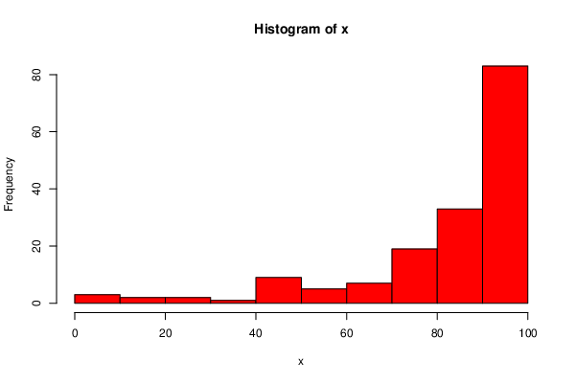
105 | FJ6AKLC6 | FALSE | 100 | 86.0666667 | 85.9666667 | 97.5 | 81.44 | 68.22 | 93.04 | 68.8333333 | 80.71
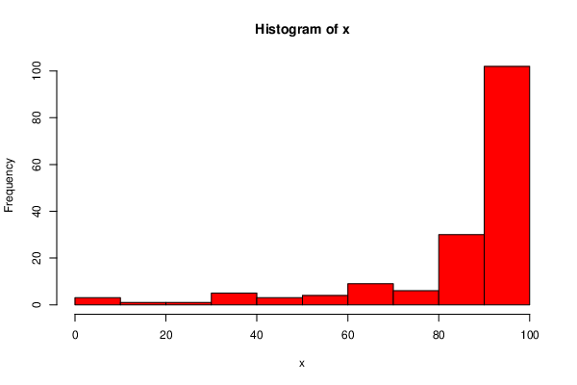
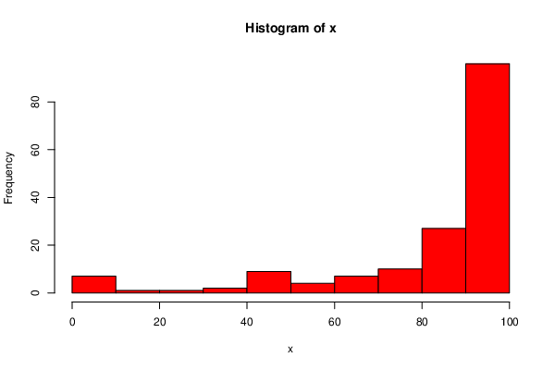
107 | FOZ7CJ8F | FALSE | 0 | 31.9666667 | 64.9 | 41.25 | 54.92 | 1.4 | 36.312 | 74.6666667 | 26.565 |  | HW7 | HW8 |  |  | HW9
108 | G396JBRX | FALSE | 100 | 72.9333333 | 70.1666667 | 80 | 85.3866667 | 89.6 | 86.784 | 73.2866667 | 89.245
112 | GFI1N5NJ | FALSE | 80 | 34.1333333 | 25.4333333 | 7.5 | 11.9466667 | 21.31 | 87.688 | 86.1933333 | 47.935
113 | H4VYAS7V | FALSE | 100 | 57.4666667 | 100 | 100 | 98.6666667 | 98.72 | 100 | 95.3333333 | 95.32
114 | H6CR4T63 | FALSE | 100 | 96.0666667 | 93.3333333 | 100 | 92.1066667 | 100 | 94.368 | 87.6933333 | 98.49
115 | HFZ6G95X | FALSE | 100 | 88.8333333 | 75.6 | 95 | 98.6666667 | 70.8 | 93.44 | 84.2133333 | 95.305
117 | HUYJ2Z64 | FALSE | 0 | 56.0666667 | 13.3333333 | 28.75 | 6.28 | 72.51 | 51.8 | 46.64 | 42.565
122 | I6YMR4N3 | FALSE | 100 | 52.5333333 | 82.1 | 40 | 52.4666667 | 44.7 | 31.144 | 45.1933333 | 52.375
127 | J08KDV0E | FALSE | 0 | 0 | 77.2 | 97.5 | 73.2266667 | 54.36 | 94.368 | 72.3333333 | 83.73
128 | J5G0WJP3 | FALSE | 100 | 80 | 63.3333333 | 81.25 | 39.8933333 | 50.54 | 87.928 | 100 | 100
129 | JH6256UQ | FALSE | 84 | 86.4666667 | 94.2 | 91.25 | 62.28 | 93.04 | 98.12 | 98 | 92.495
131 | JJZZVQD2 | FALSE | 100 | 65.7 | 65.2666667 | 65 | 61.5066667 | 0 | 62.432 | 56.38 | 0
133 | K3JCJ36E | FALSE | 100 | 68.2333333 | 97.5333333 | 92.5 | 84 | 92.41 | 97.6 | 96.0733333 | 97.055
134 | KB67GK36 | FALSE | 92 | 73.5333333 | 40.3666667 | 88.75 | 25 | 62.49 | 100 | 91.2133333 | 71.91
135 | KIMW6WRX | FALSE | 100 | 89.4 | 92.9666667 | 87.5 | 90.72 | 88.05 | 82.888 | 78.0933333 | 80.71
136 | KQEELFAI | FALSE | 100 | 95.1 | 98.7666667 | 90 | 100 | 94.22 | 97.184 | 100 | 90.415
138 | KWXWY8Y1 | FALSE | 100 | 94.1333333 | 84.7333333 | 100 | 80.9466667 | 87.11 | 97.6 | 96.86 | 98.595
139 | L40FQQZN | FALSE | 100 | 92.7333333 | 95.4333333 | 98.75 | 63.44 | 89.55 | 85.808 | 96.0733333 | 95.305
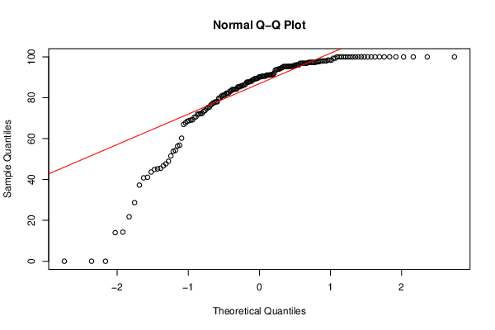
141 | LSPLH1WD | FALSE | 100 | 76.6666667 | 92.6333333 | 73.75 | 80.1066667 | 0 | 0 | 40.8066667 | 0
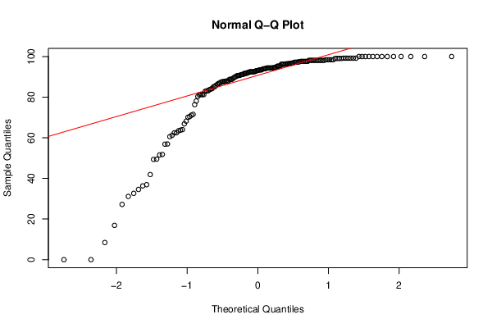
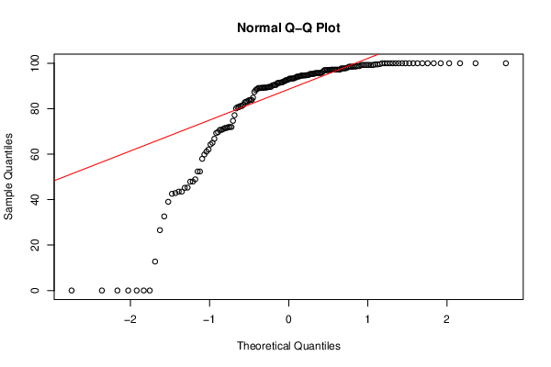
143 | LVI2VS58 | FALSE | 100 | 76.8666667 | 97.5333333 | 97.5 | 79.3333333 | 94.36 | 93.184 | 90.24 | 97.19
144 | LXGGEWLP | FALSE | 100 | 80.4 | 95.4333333 | 97.5 | 97.3333333 | 99.17 | 92.496 | 90.26 | 89.2
145 | LZN1JJ1J | FALSE | 100 | 91.1666667 | 94.2 | 97.5 | 94.6666667 | 82.5 | 96.52 | 100 | 97.19
146 | M6AEPMRR | FALSE | 100 | 79.8 | 96.3 | 92.5 | 88.7733333 | 94.3 | 98.4 | 86.3333333 | 97.19
147 | M81RNKAB | FALSE | 100 | 83.3333333 | 94.2 | 100 | 100 | 85.52 | 94.376 | 100 | 100
148 | MDMPVIE0 | FALSE | 100 | 83.5333333 | 98.7666667 | 100 | 100 | 95.11 | 95.304 | 91.1666667 | 100
149 | MHA6AV50 | FALSE | 100 | 62.4666667 | 69.3 | 87.5 | 58 | 92.32 | 71.144 | 80.62 | 91.565
150 | MISHZ4MU | FALSE | 100 | 66.8666667 | 75.6 | 85 | 84.1066667 | 84.74 | 93.84 | 79.6933333 | 89.105
151 | N7WQ5VXB | FALSE | 100 | 84.7 | 90 | 90 | 93.3333333 | 91.17 | 100 | 75.24 | 99.245
152 | NGABZJNW | FALSE | 100 | 100 | 100 | 100 | 100 | 94.17 | 97.184 | 97.64 | 100
153 | NNZCJHTL | FALSE | 100 | 83.9333333 | 97.1 | 70 | 82.0266667 | 87.22 | 81.256 | 94.5 | 71.525
154 | NTY4WLCI | FALSE | 60 | 50.9666667 | 20 | 37.5 | 20 | 36.91 | 27.2 | 0 | 0
155 | NTZUPDYT | FALSE | 0 | 60.6 | 68.0666667 | 71.25 | 42.92 | 62.4 | 86.328 | 60.2133333 | 74.675
156 | NWQH6U9I | FALSE | 100 | 90.8 | 92.5333333 | 97.5 | 94.6666667 | 98.72 | 90.4 | 93.5266667 | 99.245
157 | NZIDR8BL | FALSE | 100 | 91.1666667 | 72.8 | 77.5 | 62.28 | 72.66 | 88.752 | 47.6933333 | 97.19
159 | OBP7K2UD | FALSE | 100 | 93.3333333 | 91.7666667 | 100 | 85.3866667 | 100 | 93.424 | 100 | 100
160 | OC34VZ49 | FALSE | 100 | 64.7 | 51.2333333 | 0 | 26.6666667 | 60.26 | 92.112 | 28.6666667 | 84.865
163 | OKNES1V5 | FALSE | 100 | 80.8 | 81.5666667 | 92.5 | 85.1066667 | 84.55 | 81.256 | 91.0933333 | 71.525
164 | OVK8LMQX | FALSE | 100 | 89.2 | 77.9 | 86.25 | 93.3333333 | 92.55 | 97.6 | 89.4066667 | 81.73
167 | PM6VND9G | FALSE | 100 | 81.9666667 | 60.7 | 90 | 47.28 | 85.12 | 70.432 | 96.86 | 52.375
170 | QUSJDMGM | FALSE | 72 | 93.1333333 | 84.4 | 90 | 47.9466667 | 73.74 | 100 | 84 | 80.155
171 | QVP2AIBU | FALSE | 100 | 85.7 | 89.3 | 100 | 78.3866667 | 92.19 | 98.12 | 96.0466667 | 100
174 | R50ZEKQP | FALSE | 92 | 91.7666667 | 68.0666667 | 0 | 32.3333333 | 38.94 | 16.872 | 0 | 0
175 | R55S87ZF | FALSE | 100 | 58.0333333 | 90.8666667 | 92.5 | 58.1066667 | 87.19 | 88.752 | 90.5733333 | 97.055
176 | REZ3M4U9 | FALSE | 100 | 85.1 | 95.1 | 100 | 59.8933333 | 93.33 | 98.12 | 83.3066667 | 97.19
177 | RPO3ROLO | FALSE | 100 | 99.0333333 | 100 | 97.5 | 72.7733333 | 100 | 96.24 | 98.4266667 | 91.375
178 | RS945JJ1 | FALSE | 92 | 85.3 | 54.9 | 95 | 90 | 87.11 | 88.768 | 82.2133333 | 89.245
179 | RW9CCT13 | FALSE | 100 | 89.8 | 96.6666667 | 37.5 | 32.6666667 | 95.11 | 63.752 | 48.9266667 | 42.885
180 | S0SPZ32D | FALSE | 100 | 93.7333333 | 94.2 | 97.5 | 87.3866667 | 60.17 | 96.52 | 84.0266667 | 92.745
181 | S5EU75KN | FALSE | 96 | 93.1333333 | 88.4333333 | 87.5 | 94.72 | 39.53 | 98.12 | 98 | 98.75
182 | S66W2MVT | FALSE | 100 | 76.8666667 | 73.1666667 | 91.25 | 84.4133333 | 87.68 | 91.688 | 54.24 | 89.095
183 | SF8HBUS0 | FALSE | 92 | 0 | 0 | 0 | 0 | 0 | 0 | 0 | 0
184 | SFG7CY2P | FALSE | 100 | 83.3333333 | 100 | 100 | 59.8933333 | 70.27 | 99.064 | 85.4266667 | 88.655
188 | T305I2KC | FALSE | 80 | 53.9333333 | 14.4 | 67.5 | 6 | 30.78 | 49.464 | 45.5 | 89.565
189 | T7HAIDZ1 | FALSE | 100 | 66.2666667 | 63.5 | 85 | 73.3866667 | 33.19 | 68.176 | 70.6666667 | 98.12
190 | THFZICSB | FALSE | 84 | 98.0333333 | 95.4333333 | 62.5 | 65.8933333 | 98.72 | 95.44 | 93.9533333 | 100
191 | TICH0F9P | FALSE | 100 | 91.3666667 | 95.1 | 86.25 | 85.3333333 | 97.72 | 96.8 | 87.9066667 | 97.815
192 | TJ9QJ4TR | FALSE | 40 | 71.2666667 | 90 | 93.75 | 50.28 | 84.33 | 99.2 | 100 | 88.225
193 | U6U9L41K | FALSE | 100 | 87.0666667 | 97.5333333 | 98.75 | 87.44 | 93.83 | 85.144 | 100 | 94.71
194 | UJ69VAGY | FALSE | 100 | 86.8666667 | 77.9 | 45 | 50.6666667 | 86 | 83.096 | 69.0933333 | 83.82
195 | UR0S4SRF | FALSE | 100 | 62.5333333 | 92.1 | 100 | 94.72 | 98.33 | 87.928 | 99.3333333 | 94.035
196 | UTQXMBI6 | FALSE | 100 | 86.0666667 | 77.0333333 | 47.5 | 82.2 | 71.2 | 98.12 | 77.86 | 32.6
197 | UZAIY7HS | FALSE | 100 | 94.7 | 53.7 | 78.75 | 53 | 72.88 | 85.136 | 97.5 | 91.565
198 | V36PA739 | FALSE | 100 | 86.4666667 | 96.3 | 63.75 | 38.6666667 | 96 | 49.36 | 43.6666667 | 45.3
199 | VG3O092O | FALSE | 100 | 73.1333333 | 70.1666667 | 27.5 | 92.0533333 | 42.46 | 56.944 | 87.62 | 77.155
200 | VH61OQEJ | FALSE | 100 | 84.9 | 94.2 | 100 | 88.36 | 100 | 96.384 | 92.0733333 | 100
201 | VH9CJJ5N | FALSE | 100 | 92.1666667 | 44.2 | 78.75 | 62.5066667 | 65.24 | 70.112 | 95.2866667 | 98.75
203 | W6OO1FUQ | FALSE | 100 | 69.8 | 39.1333333 | 37.5 | 44.6133333 | 71.69 | 96.384 | 95.2133333 | 81.205
204 | WAEZO0JC | FALSE | 100 | 77.2666667 | 41.2333333 | 62.5 | 15 | 76.61 | 92.104 | 81.14 | 70.685
205 | WHP1XRAO | FALSE | 100 | 65.5 | 86.8333333 | 0 | 53.9466667 | 59.78 | 98.12 | 70.36 | 71.965
207 | WRXQHROG | FALSE | 80 | 69.8 | 96.6666667 | 92.5 | 79.4133333 | 70.44 | 83.672 | 69.2133333 | 64.98
210 | X2V86U9W | FALSE | 100 | 76.0666667 | 81.0666667 | 88.75 | 49.64 | 62.44 | 94.12 | 97.3333333 | 98.595
211 | XA4PUGCC | FALSE | 88 | 90.8 | 66.1333333 | 71.25 | 22.6666667 | 70.08 | 98.4 | 94.1933333 | 92.125
212 | XJC1SCD3 | FALSE | 100 | 93.1333333 | 88.0666667 | 88.75 | 86.6666667 | 89.63 | 98.4 | 88.86 | 89.4
213 | XOMW2LI9 | FALSE | 56 | 59.6 | 15.6 | 25 | 16.6666667 | 49.3 | 64.008 | 44.9266667 | 47.885
214 | XSG9W3YN | FALSE | 100 | 86.2666667 | 78.2333333 | 92.5 | 93.1066667 | 70.06 | 98.12 | 100 | 100
215 | XUQ9A89C | FALSE | 92 | 78.2333333 | 78.6 | 91.25 | 85.44 | 82.78 | 93.04 | 91.36 | 94.775
216 | XY6OHYRU | FALSE | 100 | 59.8 | 56.5 | 70 | 57.6133333 | 86.04 | 91.024 | 66.9533333 | 92.635
218 | YBKJHGXV | FALSE | 100 | 71.1666667 | 71.9333333 | 83.75 | 95.36 | 98.44 | 97.32 | 97.3333333 | 100
219 | YCD0W2SB | FALSE | 100 | 71.7666667 | 82.8 | 66.25 | 18 | 69.8 | 78.12 | 41.0933333 | 70.685
220 | YCMYEOL0 | FALSE | 100 | 78.5333333 | 96.6666667 | 90 | 82.6666667 | 76.07 | 96.52 | 77.4266667 | 98.49
221 | YNVQCW6R | FALSE | 100 | 98.0333333 | 95.1 | 90 | 96.0266667 | 93.33 | 60.56 | 100 | 100
223 | Z74R1BQR | FALSE | 96 | 87.4666667 | 79.3 | 90 | 58.6133333 | 62.61 | 100 | 95.5266667 | 100
224 | ZN61C26E | FALSE | 100 | 74.3 | 70.1666667 | 90 | 89.0533333 | 67.56 | 95.304 | 99.3333333 | 96.975
225 | ZVUT6HP0 | FALSE | 84 | 65.1 | 81.4 | 87.5 | 76.6666667 | 59.78 | 89.712 | 98 | 94.62

Transfer PA
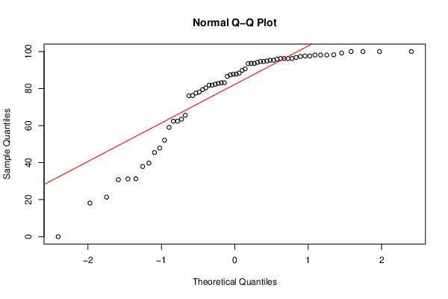
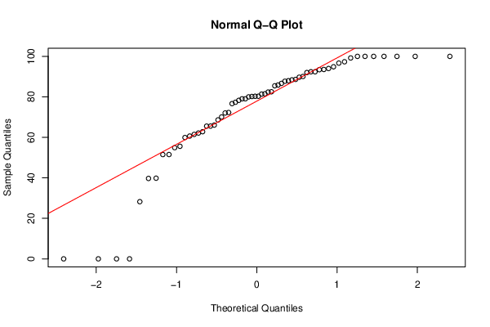
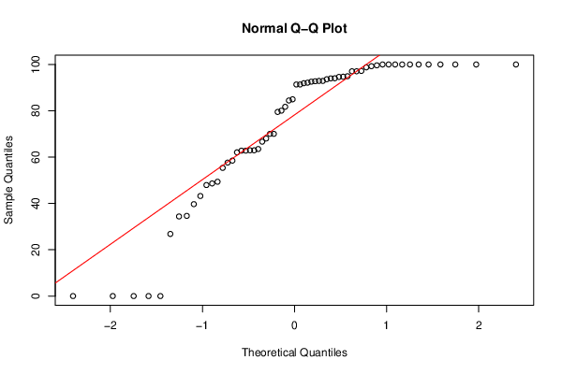
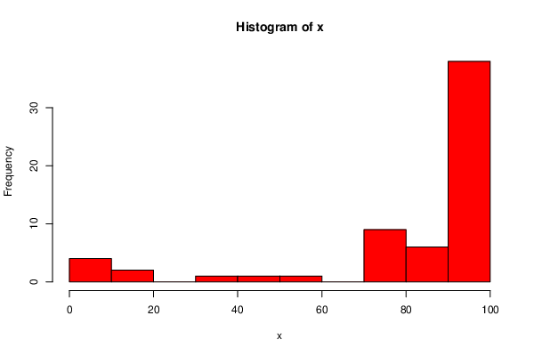
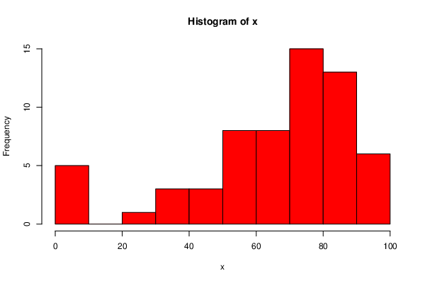
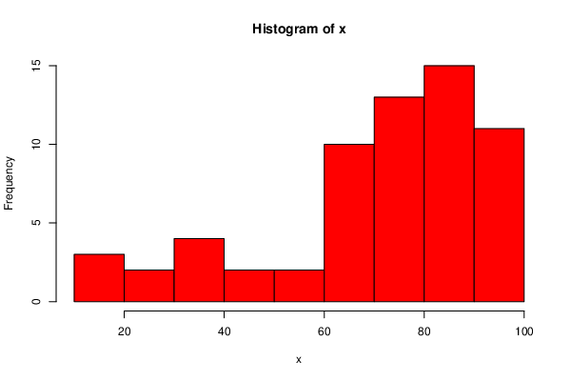
 | DeID | Transfer Status | HW1 | HW2 | HW3 | HW4 | HW5 | HW6 | HW7 | HW8 | HW9 | HW1 | HW2 |  |  | HW3
1 | 0CJNKJ3G | TRUE | 80 | 56.4666667 | 66.8333333 | 0 | 29.0533333 | 47.89 | 76.24 | 80 | 43.205
2 | 0IPF8NR0 | TRUE | 100 | 82.9333333 | 68.0666667 | 67.5 | 34.6133333 | 86.97 | 78.088 | 89.7133333 | 70.035
4 | 0UFJO4V8 | TRUE | 84 | 80 | 93.8666667 | 87.5 | 24.6666667 | 70.91 | 86.64 | 72.0466667 | 81.73
7 | 1516FKR6 | TRUE | 100 | 88.0333333 | 76.6666667 | 93.75 | 42.9466667 | 45.87 | 97.6 | 100 | 100
15 | 2YN4DT5W | TRUE | 100 | 88.0333333 | 67.7333333 | 80 | 96.0533333 | 56.88 | 96.24 | 51.5266667 | 97.19
18 | 3B1I7KZ8 | TRUE | 96 | 72.9333333 | 77.3666667 | 90 | 32.6133333 | 79.57 | 82.344 | 82.5266667 | 79.495
20 | 3QJJOU1J | TRUE | 100 | 45.5 | 72.1 | 70 | 31.6666667 | 71.61 | 52.104 | 28.24 | 63.5
21 | 3XGFUSMI | TRUE | 76 | 80.2 | 72.1 | 45 | 55.1733333 | 60.93 | 62.408 | 78.2666667 | 97.055
22 | 3Z8EXFXJ | TRUE | 100 | 69.5 | 85.1 | 100 | 91.3333333 | 95.1 | 93.592 | 94.86 | 62.785
27 | 50RN1MFD | TRUE | 0 | 62.3666667 | 40.3666667 | 22.5 | 35.72 | 21.83 | 62.368 | 39.8333333 | 94.62
32 | 57T5TAHN | TRUE | 100 | 96.0666667 | 86.6666667 | 95 | 89.3333333 | 86.67 | 96.24 | 80.1933333 | 94.71
34 | 5EPOTQMD | TRUE | 100 | 82.1666667 | 87.5333333 | 78.75 | 36 | 31.77 | 89.808 | 62.8066667 | 70.035
41 | 6Q3XGBID | TRUE | 80 | 72.5333333 | 77.9 | 88.75 | 89.3866667 | 78.78 | 97.6 | 97.3333333 | 100
45 | 6V68NG3I | TRUE | 50 | 71.7666667 | 85.9666667 | 40 | 28.6666667 | 58.86 | 65.568 | 70.0733333 | 57.64
52 | 7SS9SWZ2 | TRUE | 80 | 0 | 67.0333333 | 91.25 | 77.44 | 78.89 | 88.368 | 77.3333333 | 100
56 | 8QFSI6X7 | TRUE | 100 | 65.3 | 60.1666667 | 98.75 | 23.3333333 | 61.95 | 90.64 | 59.9266667 | 55.35
61 | 9IV34PWW | TRUE | 100 | 73.9333333 | 81.9333333 | 72.5 | 90.72 | 73.02 | 94.64 | 55.5933333 | 62.05
64 | 9Q1TZHHX | TRUE | 80 | 79.8 | 67.5333333 | 92.5 | 71.4133333 | 58.5 | 97.32 | 99.2133333 | 100
75 | B2CHHU5N | TRUE | 100 | 90 | 89.3 | 95 | 63.6666667 | 89.35 | 95.304 | 93.5266667 | 93.62
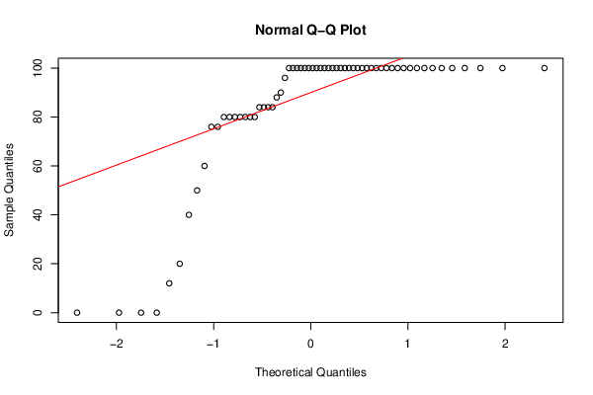
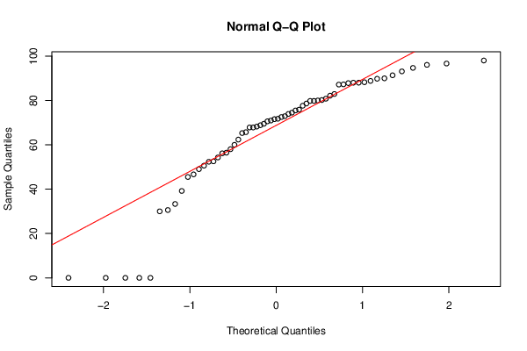
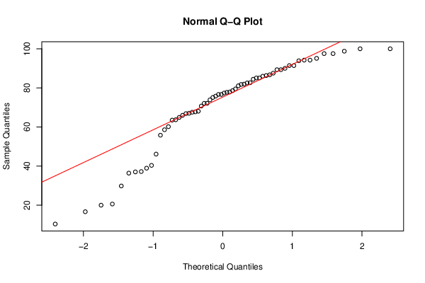
80 | C5U4S8HT | TRUE | 0 | 39.2 | 36.4 | 35 | 70.72 | 31.84 | 37.912 | 60.64 | 68.03
82 | CJW5LN83 | TRUE | 100 | 49.0333333 | 10.3666667 | 0 | 0 | 8.59 | 0 | 0 | 0
87 | D0NCXALW | TRUE | 100 | 98.0333333 | 97.5333333 | 100 | 100 | 100 | 100 | 100 | 100
92 | DOBOXDVS | TRUE | 80 | 68.8333333 | 73.8666667 | 20 | 72.0533333 | 34.23 | 39.736 | 66.0733333 | 92.745
94 | DVE7VM71 | TRUE | 40 | 60 | 90 | 50 | 0 | 77.06 | 93.448 | 87.7133333 | 0
96 | E3N3U3C4 | TRUE | 100 | 67.8333333 | 89.3 | 85 | 77.44 | 74.42 | 98.12 | 80.2866667 | 62.935
98 | EAXYK9WX | TRUE | 100 | 67.8333333 | 86.3 | 77.5 | 79.4133333 | 51.7 | 87.712 | 85.86 | 49.365
106 | FMW0T2M1 | TRUE | 80 | 50.6 | 75.1 | 20 | 44.7733333 | 80.67 | 87.848 | 72.2866667 | 34.625
109 | G4QQYEHW | TRUE | 100 | 58.0333333 | 70.7 | 60 | 63.5333333 | 80.9 | 82.76 | 86.6666667 | 92.125
110 | G7TZVX0C | TRUE | 100 | 52.5333333 | 81.7666667 | 72.5 | 52.6666667 | 67.61 | 30.8 | 92.38 | 99.245
111 | GDEKR6RS | TRUE | 84 | 74.5 | 82.6333333 | 100 | 88.6933333 | 89.22 | 94.12 | 81.5 | 99.62
116 | HRYK35NC | TRUE | 20 | 30 | 20.6 | 83.75 | 24 | 26.3 | 77.544 | 39.7133333 | 39.69
118 | HWQW8PXK | TRUE | 100 | 88.2333333 | 97.5333333 | 77.5 | 58.0533333 | 78 | 87.408 | 85.4733333 | 66.675
119 | HWRGI29V | TRUE | 100 | 91.3666667 | 76.6666667 | 90 | 86.0266667 | 94.55 | 93.592 | 100 | 100
120 | I4P6RFWE | TRUE | 100 | 75.8666667 | 79.4666667 | 97.5 | 86.6666667 | 60.77 | 59.064 | 61.4733333 | 47.935
121 | I6PHCT60 | TRUE | 100 | 65.7 | 63.5 | 58.75 | 84.3333333 | 81.42 | 83.192 | 62.14 | 58.48
123 | IDDOJB3Y | TRUE | 100 | 70.9666667 | 95.1 | 73.75 | 55.28 | 97.75 | 80.368 | 100 | 100
124 | IDROCPBC | TRUE | 100 | 56.1666667 | 91.4 | 87.5 | 89.3333333 | 87.43 | 81.84 | 93.4266667 | 94.035
125 | IS1XQ2OH | TRUE | 100 | 0 | 20 | 98.75 | 28 | 71.91 | 31.2 | 0 | 0
126 | IU5GUSA7 | TRUE | 84 | 87.1666667 | 81.0666667 | 68.75 | 83.44 | 74.22 | 96.24 | 81.36 | 91.365
130 | JJMGNAUW | TRUE | 100 | 0 | 63.7 | 0 | 61.7466667 | 51.57 | 79.432 | 76.6666667 | 92.89
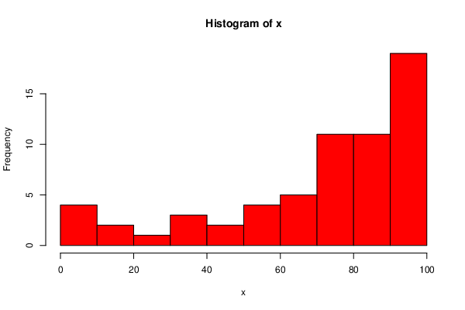
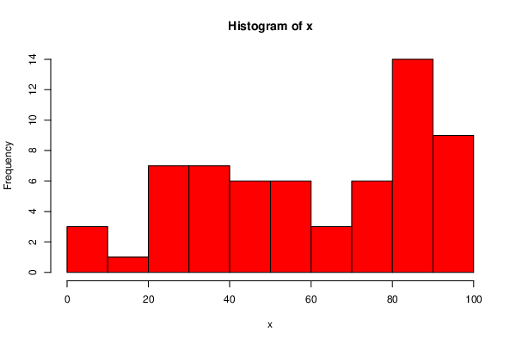
132 | K0VFTOOM | TRUE | 100 | 79.8 | 82.5333333 | 90 | 58.0533333 | 74.43 | 94.92 | 96.6666667 | 93.985 | HW4 |  | HW5 |  |  | HW6
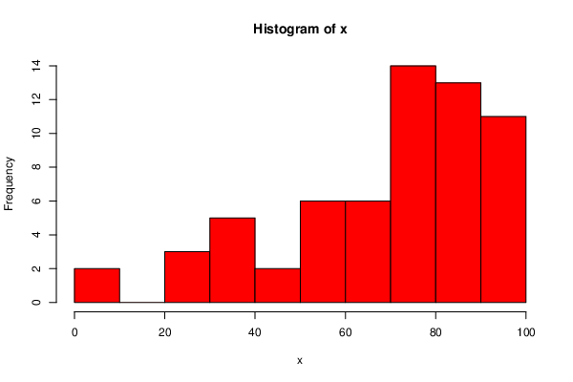
137 | KVU5NOUB | TRUE | 0 | 46.6666667 | 75.8 | 58.75 | 27.9466667 | 39.61 | 83.096 | 88.62 | 92.89
140 | LDZ33RRK | TRUE | 90 | 77.6333333 | 37.2 | 71.25 | 39.56 | 90 | 45.464 | 79.0466667 | 84.45
142 | LT5F9FWJ | TRUE | 80 | 52.3666667 | 37.0333333 | 70 | 85.3866667 | 77.76 | 63.456 | 87.9533333 | 84.965
158 | OA7CCEI8 | TRUE | 60 | 0 | 16.6666667 | 0 | 0 | 30.12 | 18.16 | 0 | 0
161 | OCEKX98F | TRUE | 100 | 94.7 | 100 | 100 | 84 | 98.08 | 94.64 | 92.38 | 92.58
162 | OHO0V0EM | TRUE | 100 | 87.2666667 | 98.7666667 | 40 | 48.6133333 | 92.72 | 95.304 | 68.62 | 91.91
165 | P7WWT85C | TRUE | 100 | 70.6 | 85.1 | 98.75 | 98.0266667 | 93.44 | 100 | 100 | 100
166 | PCMK7ZJU | TRUE | 100 | 78.6333333 | 64.9 | 100 | 98.6666667 | 95.44 | 99.2 | 90.0733333 | 100
168 | Q20DI5Q0 | TRUE | 0 | 93.1333333 | 94.2 | 100 | 94.6666667 | 98.72 | 100 | 100 | 98.75
169 | QUON1228 | TRUE | 100 | 80.8 | 29.8333333 | 81.25 | 85.3866667 | 86.99 | 95.864 | 80.3066667 | 94.92
172 | QXHP2ZYQ | TRUE | 100 | 96.6666667 | 100 | 100 | 100 | 87.11 | 100 | 100 | 100
173 | QZ995NE8 | TRUE | 100 | 54.3 | 46.1333333 | 81.25 | 59 | 71.83 | 96.24 | 79.0466667 | 91.365
185 | SKX5LQ20 | TRUE | 100 | 89.8 | 78.6 | 97.5 | 92.0533333 | 94.72 | 98.12 | 94 | 100
186 | T0EWCQT7 | TRUE | 88 | 71.5666667 | 55.8 | 75 | 44.6133333 | 91.52 | 98.264 | 92 | 80.06
187 | T1ADLMJT | TRUE | 76 | 75.5 | 84.4 | 90 | 89.36 | 88.72 | 76.096 | 82.38 | 62.785
202 | W4B2TSXM | TRUE | 84 | 0 | 77.7333333 | 67.5 | 82.4133333 | 84.86 | 81.832 | 54.9066667 | 48.635
206 | WK1QC0F7 | TRUE | 100 | 87.8333333 | 94.2 | 100 | 49.28 | 66.81 | 98.12 | 65.5733333 | 97.055
208 | WWLQ9G21 | TRUE | 100 | 68.2333333 | 91.4 | 80 | 86.3333333 | 62.82 | 31.288 | 65.5466667 | 26.825
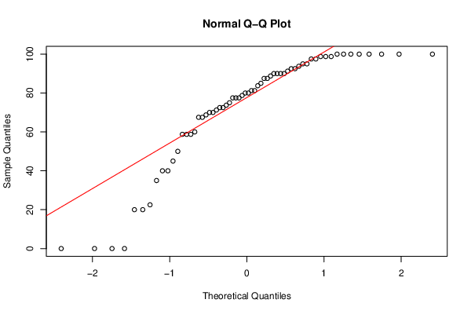
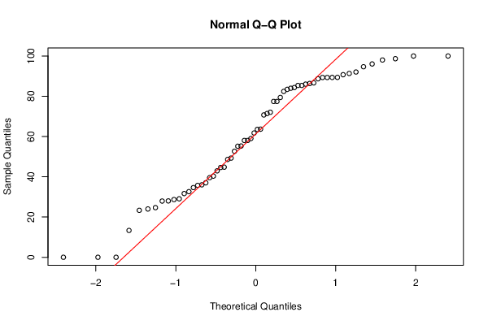
209 | X29GZII3 | TRUE | 12 | 33.3333333 | 58.6 | 58.75 | 40.3333333 | 29.71 | 21.36 | 51.5 | 34.375
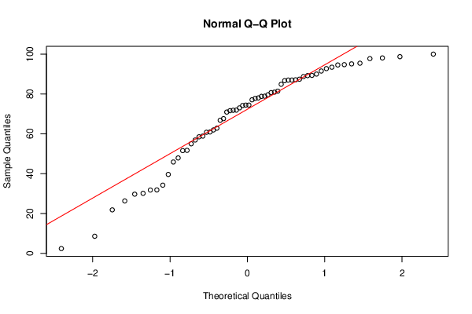
217 | XY8QOSP0 | TRUE | 100 | 88.8333333 | 65.9666667 | 92.5 | 13.3333333 | 54.99 | 96.8 | 88.38 | 62.935
222 | YPIW6V65 | TRUE | 100 | 30.6 | 38.9333333 | 77.5 | 37 | 2.4 | 47.888 | 0 | 0

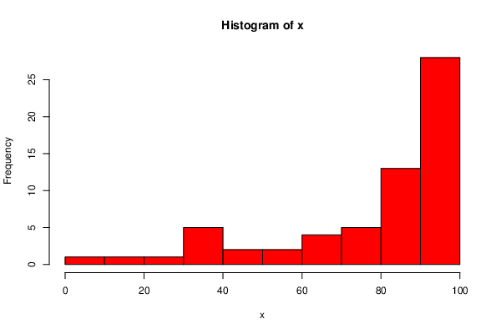
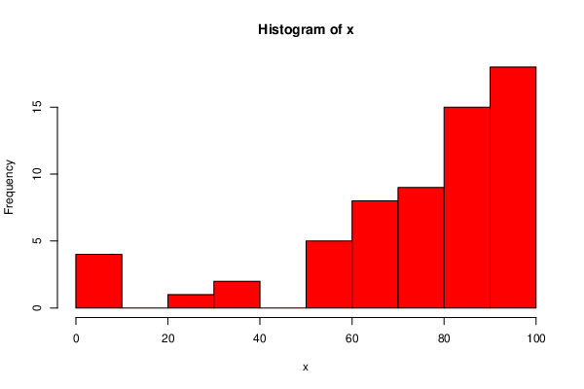
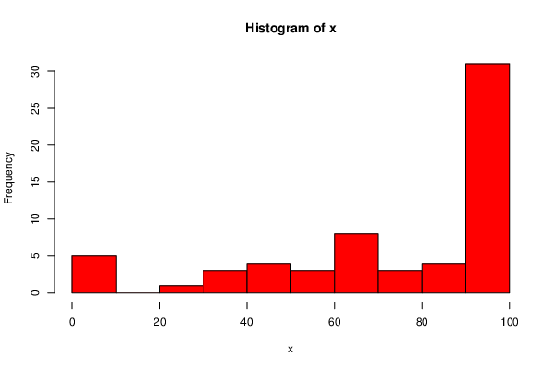
 |  |  |  |  |  |  |  |  |  |  |  | HW7 |  |  | HW8
 |  |  |  |  |  |  |  |  |  |  |  |  |  |  |  |  |  | HW9

